5-SF_Det
 |  |  |  |  |  |  |  |  |  |  |  |  |  | E X A M P L E O N L Y
Application Name-From Page 1

Development (cont.): |  |  |  |  |  |  |  |  |  |  |  | After you click on the link to the left, and choose the Year of the application and the region in which the proposed project is located, the pdf below will open up. Scroll to the Green Discount Type and Unit Type for your proposed project. Note the highlighted items that need to be true of your proposed project to have the correct utility allowance. Energy Star will always be the Green Discount type.

 | UTILITY ALLOWANCES FOR: SINGLE FAMILY HOUSE (SF Det)

 | NOTE: PHA Applicants may request to use their PHA's Utility Allowances. Copies of the applicable UAs must be attached behind Tab 10. |  |  |  |  |  |  |  |  |  |  | 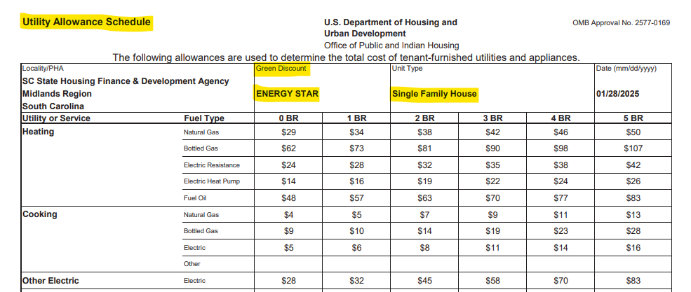
 | The information posted on the SC Housing's Development Utility Allowances webpage will help you determine which allowances to use based on your Building/Unit Type -(Single Family House, Single Family Attached, Lowrise Apartment (2-4 units),Larger Apartment (5+ units), and Green Discount (Energy Star). Since the design criteria for SRDP units requires Energy Star certification, use the Green Discount column titled "Energy Star" for your utility allowances for the unit type.
 | Please click the link below to be taken to the Development Utility Allowance page.
 |  | https://schousing.sc.gov/Home/UtilityAllowances
 | After reading the information:
 | 1 | Click on the tab for the Year in which you are submitting the SRDP application

 | 2 | Select the region in which the proposed development is located - Upstate, Midlands or Low Country Region.

 | 3 | Make sure that the second column, Green Discount, is labeled "Energy Star" and the third column, Unit Type, is Single Family House.

 | 4 | Complete the chart below using the Utility Allowance Schedule you opened based on your region.
 | 5 | Complete this page for each Bedroom Size in the proposed development (i.e. 0-BR, 1-BR…..)
 | 6 | Attach a copy of the UA page with applicable Bedroom Size columns highlighted behind Tab 10 |  |  |  |  |  |  |  | See EXAMPLE UA-->
 | SINGLE FAMILY HOUSE
 | Utilities |  | Gas/Elec/Oil | Utilities paid by: (dropdown list) | Enter allowances by Bedroom Size |  |  |  |  | Line Item charges/mo
 |  |  |  |  | 0-BR | 1-BR | 2-BR | 3-BR | 4-BR
 | Space Heating |  |  |  |  |  |  |  |  | $-
 | Cooking |  |  |  |  |  |  |  |  | $-
 | Air Conditioning |  |  |  |  |  |  |  |  | $-
 | Water Heating |  |  |  |  |  |  |  |  | $-
 | Water |  |  |  |  |  |  |  |  | $-
 | Sewer |  |  |  |  |  |  |  |  | $-
 | Trash Collection |  |  |  |  |  |  |  |  | $-
 | Electric Base Charge + Other Electric |  |  |  |  |  |  |  |  | $-
 | Gas Base Charge |  |  |  |  |  |  |  |  | $-
 | Total Utility Allowance for Units: |  |  |  | - | - | - | - | - | $- |  |  | Owner Count |  | Tenant Count
 | Total Utility Allowance: |  |  |  | - | - | - | - | - | $- |  |  | 0 |  | 0

 | TENANT Paid Utilities per month: |  |  |  | 0.00 | 0.00 | 0.00 | 0.00 | 0.00

 |  |  | OWNER Paid Utilities: |  | 0.00 | 0.00 | 0.00 | 0.00 | 0.00

 |  |  | NOTE: "Other Electric" amount is to be added to "Electric Base Charge" amount and entered into the "Electric Base Charge + Other Electric" line item.

2/23/26 |  |  |  |  | Published: 02/23/2026 |  |  |  |  |  | Page 5-SFD

5-SF_Att
 |  |  |  |  |  |  |  |  |  |  |  |  |  | E X A M P L E O N L Y
Application Name-From Page 1

Development (cont.): |  |  |  |  |  |  |  |  |  |  |  | After you click on the link to the left, and choose the Year of the application and the region in which the proposed project is located, the pdf below will open up. Scroll to the Green Discount Type and Unit Type for your proposed project. Note the highlighted items that need to be true of your proposed project to have the correct utility allowance. Energy Star will always be the Green Discount type.

 | UTILITY ALLOWANCES FOR: SINGLE FAMILY ATTACHED (SF Att) Includes: Duplex, Row/Townhouse, Triplex, Fourplex

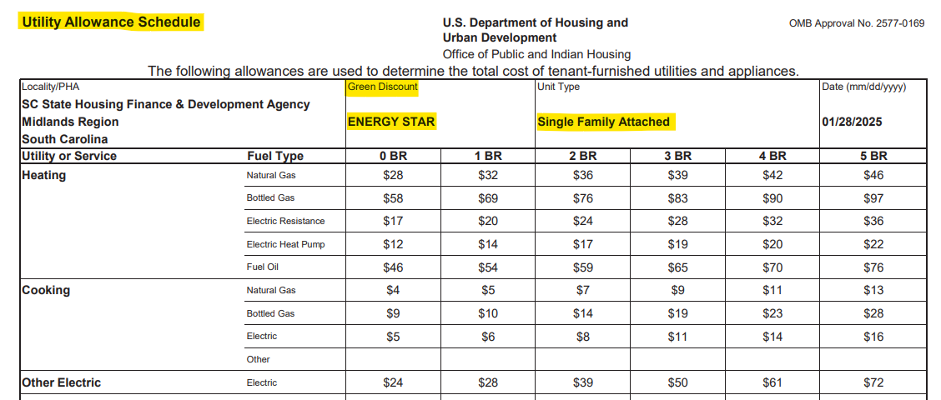
 | NOTE: PHA Applicants may request to use their PHA's Utility Allowances. Copies of the applicable UAs must be attached behind Tab 10.
 | The information posted on the SC Housing's Development Utility Allowances webpage will help you determine which allowances to use based on your Building/Unit Type -(Single Family House, Single Family Attached, Lowrise Apartment (2-4 units),Larger Apartment (5+ units), and Green Discount (Energy Star). Since the design criteria for SRDP units requires Energy Star certification, use the Green Discount column titled "Energy Star" for your utility allowances for the unit type.
 | Please click the link below to be taken to the Development Utility Allowance page.
 |  | https://schousing.sc.gov/Home/UtilityAllowances
 | After reading the information:
 | 1 | Click on the tab for the Year in which you are submitting the SRDP application

 | 2 | Select the region in which the proposed development is located - Upstate, Midlands or Low Country Region.

 | 3 | Make sure that the second column, Green Discount, is labeled "Energy Star" and the third column, Unit Type, is Single Family Attached.

 | 4 | Complete the chart below using the Utility Allowance Schedule you opened based on your region.
 | 5 | Complete this page for each Bedroom Size in the proposed development (i.e. 0-BR, 1-BR…..)
 | 6 | Attach a copy of the UA page with applicable Bedroom Size columns highlighted behind Tab 10 |  |  |  |  |  |  |  | See EXAMPLE UA-->
 | SINGLE FAMILY ATTACHED (Duplex, Row/Townhouse, Triplex, Fourplex)
 | Utilities |  | Gas/Elec/Oil | Utilities paid by: (dropdown list) | Enter allowances by Bedroom Size |  |  |  |  | Line Item charges/mo
 |  |  |  |  | 0-BR | 1-BR | 2-BR | 3-BR | 4-BR
 | Space Heating |  |  |  |  |  |  |  |  | $-
 | Cooking |  |  |  |  |  |  |  |  | $-
 | Air Conditioning |  |  |  |  |  |  |  |  | $-
 | Water Heating |  |  |  |  |  |  |  |  | $-
 | Water |  |  |  |  |  |  |  |  | $-
 | Sewer |  |  |  |  |  |  |  |  | $-
 | Trash Collection |  |  |  |  |  |  |  |  | $-
 | Electric Base Charge + Other Electric |  |  |  |  |  |  |  |  | $-
 | Gas Base Charge |  |  |  |  |  |  |  |  | $-
 | Total Utility Allowance for Units: |  |  |  | - | - | - | - | - | $- |  |  | Owner Count |  | Tenant Count
 | Total Utility Allowance: |  |  |  | - | - | - | - | - | $- |  |  | 0 |  | 0

 | TENANT Paid Utilities per month: |  |  |  | 0.00 | 0.00 | 0.00 | 0.00 | 0.00

 |  |  | OWNER Paid Utilities: |  | 0.00 | 0.00 | 0.00 | 0.00 | 0.00

 |  |  | NOTE: "Other Electric" amount is to be added to "Electric Base Charge" amount and entered into the "Electric Base Charge + Other Electric" line item.

2/23/26 |  |  |  |  | Published: 02/23/2026 |  |  |  |  |  | Page 5-SFA

5-Apt_2-4
 |  |  |  |  |  |  |  |  |  |  |  |  | E X A M P L E O N L Y
Application Name-From Page 1

Development (cont.): |  |  |  |  |  |  |  |  |  |  | After you click on the link to the left, and choose the Year of the application and the region in which the proposed project is located, the pdf below will open up. Scroll to the Green Discount Type and Unit Type for your proposed project. Note the highlighted items that need to be true of your proposed project to have the correct utility allowance. Energy Star will always be the Green Discount type.

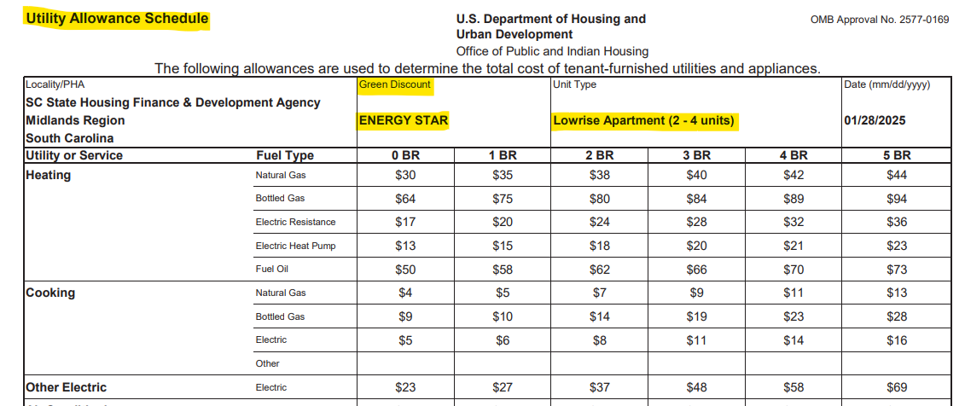
 | UTILITY ALLOWANCES FOR: LOWRISE APARTMENTS (2-4 units) (APT 2-4)
 | NOTE: PHA Applicants may request to use their PHA's Utility Allowances. Copies of the applicable UAs must be attached behind Tab 10.
 | The information posted on the SC Housing's Development Utility Allowances webpage will help you determine which allowances to use based on your Building/Unit Type -(Single Family House, Single Family Attached, Lowrise Apartment (2-4 units),Larger Apartment (5+ units), and Green Discount (Energy Star). Since the design criteria for SRDP units requires Energy Star certification, use the Green Discount column titled "Energy Star" for your utility allowances for the unit type.
 | Please click the link below to be taken to the Development Utility Allowance page.
 |  | https://schousing.sc.gov/Home/UtilityAllowances
 | After reading the information:
 | 1 | Click on the tab for the Year in which you are submitting the SRDP application

 | 2 | Select the region in which the proposed development is located - Upstate, Midlands or Low Country Region.

 | 3 | Make sure that the second column, Green Discount, is labeled "Energy Star" and the third column, Unit Type, is Lowrise Apartment (2-4 units)

 | 4 | Complete the chart below using the Utility Allowance Schedule you opened based on your region.
 | 5 | Complete this page for each Bedroom Size in the proposed development (i.e. 0-BR, 1-BR…..)
 | 6 | Attach a copy of the UA page with applicable Bedroom Size columns highlighted behind Tab 10 |  |  |  |  |  |  |  | See EXAMPLE UA-->
 | LOWRISE APARTMENTS (2-4 Units)
 | Utilities |  | Gas/Elec/Oil | Utilities paid by: (dropdown list) | Enter allowances by Bedroom Size |  |  |  |  | Line Item charges/mo
 |  |  |  |  | 0-BR | 1-BR | 2-BR | 3-BR | 4-BR
 | Space Heating |  |  |  |  |  |  |  |  | $-
 | Cooking |  |  |  |  |  |  |  |  | $-
 | Air Conditioning |  |  |  |  |  |  |  |  | $-
 | Water Heating |  |  |  |  |  |  |  |  | $-
 | Water |  |  |  |  |  |  |  |  | $-
 | Sewer |  |  |  |  |  |  |  |  | $-
 | Trash Collection |  |  |  |  |  |  |  |  | $-
 | Electric Base Charge + Other Electric |  |  |  |  |  |  |  |  | $-
 | Gas Base Charge |  |  |  |  |  |  |  |  | $-
 | Total Utility Allowance for Units: |  |  |  | - | - | - | - | - | $- |  | Owner Count |  | Tenant Count
 | Total Utility Allowance: |  |  |  | - | - | - | - | - | $- |  | 0 |  | 0

 | TENANT Paid Utilities per month: |  |  |  | 0.00 | 0.00 | 0.00 | 0.00 | 0.00

 |  |  | OWNER Paid Utilities: |  | 0.00 | 0.00 | 0.00 | 0.00 | 0.00

 |  |  | NOTE: "Other Electric" amount is to be added to "Electric Base Charge" amount and entered into the "Electric Base Charge + Other Electric" line item.

2/23/26 |  |  |  |  | Published: 02/23/2026 |  |  |  |  | Page 5-APT-2-4

5-Apt_5+
 |  |  |  |  |  |  |  |  |  |  |  |  | E X A M P L E O N L Y
Application Name-From Page 1

Development (cont.): |  |  |  |  |  |  |  |  |  |  | After you click on the link to the left, and choose the Year of the application and the region in which the proposed project is located, the pdf below will open up. Scroll to the Green Discount Type and Unit Type for your proposed project. Note the highlighted items that need to be true of your proposed project to have the correct utility allowance. Energy Star will always be the Green Discount type.

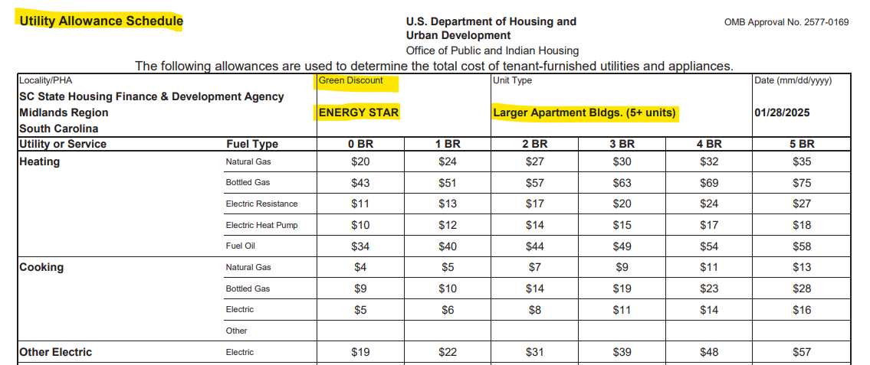
 | UTILITY ALLOWANCES FOR: LARGER APARTMENT BLDGS (5+ units) (Apts 5+)
 | NOTE: PHA Applicants may request to use their PHA's Utility Allowances. Copies of the applicable UAs must be attached behind Tab 10.
 | The information posted on the SC Housing's Development Utility Allowances webpage will help you determine which allowances to use based on your Building/Unit Type -(Single Family House, Single Family Attached, Lowrise Apartment (2-4 units),Larger Apartment (5+ units), and Green Discount (Energy Star). Since the design criteria for SRDP units requires Energy Star certification, use the Green Discount column titled "Energy Star" for your utility allowances for the unit type.
 | Please click the link below to be taken to the Development Utility Allowance page.
 |  | https://schousing.sc.gov/Home/UtilityAllowances
 | After reading the information:
 | 1 | Click on the tab for the Year in which you are submitting the SRDP application

 | 2 | Select the region in which the proposed development is located - Upstate, Midlands or Low Country Region.

 | 3 | Make sure that the second column, Green Discount, is labeled "Energy Star" and the third column, Unit Type, is Larger Apartment Bldgs (5+ units)

 | 4 | Complete the chart below using the Utility Allowance Schedule you opened based on your region.
 | 5 | Complete this page for each Bedroom Size in the proposed development (i.e. 0-BR, 1-BR…..)
 | 6 | Attach a copy of the UA page with applicable Bedroom Size columns highlighted behind Tab 10 |  |  |  |  |  |  |  | See EXAMPLE UA-->
 | LARGER APARTMENT BLDGS (5+ Units)
 | Utilities |  | Gas/Elec/Oil | Utilities paid by: (dropdown list) | Enter allowances by Bedroom Size |  |  |  |  | Line Item charges/mo
 |  |  |  |  | 0-BR | 1-BR | 2-BR | 3-BR | 4-BR
 | Space Heating |  |  |  |  |  |  |  |  | $-
 | Cooking |  |  |  |  |  |  |  |  | $-
 | Air Conditioning |  |  |  |  |  |  |  |  | $-
 | Water Heating |  |  |  |  |  |  |  |  | $-
 | Water |  |  |  |  |  |  |  |  | $-
 | Sewer |  |  |  |  |  |  |  |  | $-
 | Trash Collection |  |  |  |  |  |  |  |  | $-
 | Electric Base Charge + Other Electric |  |  |  |  |  |  |  |  | $-
 | Gas Base Charge |  |  |  |  |  |  |  |  | $-
 | Total Utility Allowance for Units: |  |  |  | - | - | - | - | - | $- |  | Owner Count |  | Tenant Count
 | Total Utility Allowance: |  |  |  | - | - | - | - | - | $- |  | 0 |  | 0

 | TENANT Paid Utilities per month: |  |  |  | 0.00 | 0.00 | 0.00 | 0.00 | 0.00

 |  |  | OWNER Paid Utilities: |  | 0.00 | 0.00 | 0.00 | 0.00 | 0.00

 |  |  | NOTE: "Other Electric" amount is to be added to "Electric Base Charge" amount and entered into the "Electric Base Charge + Other Electric" line item.

2/23/26 |  |  |  |  | Published: 02/23/2026 |  |  |  |  | Page 5-APTS-5+

